Takeoff Distance Bar Chart
Plane name | S_TOFL [ft] | Plane name | S_L
Super Tucano | 2950 | Super Tucano | 2820 | Turboprop
AT-6 Wolverine | 2950 | AT-6 Wolverine | 2820 | Turboprop
OV-10 Bronco | 2800 | OV-10 Bronco | 2500 | Turboprop
OA-1K Sky Warden | 1500 | OA-1K Sky Warden | 2400 | Turboprop
IOMAX Archangel | 1500 | IOMAX Archangel | 2400 | Turboprop
KAI KT-1 | 1800 | KAI KT-1 | 1800 | Turboprop
FMA IA 58 Pucara | 1400 | FMA IA 58 Pucara | 800 | Turboprop
Textron Scorpion | 3000 | Textron Scorpion | 2500 | Turbofan
Yakolev Yak-130 | 1800 | Yakolev Yak-130 | 2460 | Turbofan
M346-FA | 1350 | M346-FA | 1850 | Turbofan
Hongdu L-15 | 1640 | Hongdu L-15 | 1480 | Turbofan

SFC x Engine Type
 | Super Tucano | AT-6 Wolverine | OV-10 Bronco | PC-21 | KAI KT-1 | IOMAX Archangel | FMA IA 58 Pucara | Helio AU- 24 Stallion | Textron Scorpion | M-346FA | Yakolev Yak-130 | Turboprop Avg. | Turbofan Avg.
SFC @max | 0.595 | 0.52 | 0.534 | 0.54 | 0.5 | 0.457 | 0.5 | 0.603 | 0.85 | 0.81 |  | 0.522 | 0.83
Engine Type | Turboprop | Turboprop | Turboprop | Turboprop | Turboprop | Turboprop | Turboprop | Turboprop | Turbofan | Turbofan

 | Super Tucano
Super Tucano | 0.595
AT-6 Wolverine | 0.52
OV-10 Bronco | 0.534
PC-21 | 0.54
KAI KT-1 | 0.5
IOMAX Archangel | 0.457
FMA IA 58 Pucara | 0.5
Helio AU- 24 Stallion | 0.603
Textron Scorpion | 0.85
M-346FA | 0.81
Yakolev Yak-130
Turboprop Avg. | 0.522
Turbofan Avg. | 0.83
 |  |  |  |  |  |  |  |  |  |  |  | Aero L-39 NG (Stage 1)
 |  |  |  |  |  |  |  |  |  |  |  | Turbofan
 |  |  |  |  |  |  |  |  |  |  |  | 0.46

EWF
 | Super Tucano | AT-6 Wolverine | M-346FA | OV-10 Bronco (D model) | Pilatus PC-21 | KAI KT-1 | IOMAX Archangel | Textron Scorpion | FMA IA 58 Pucara | Helio AU- 24 Stallion
W_E (lbs) | 7055 | 5889 | 10163 | 15364 | 5005 | 4200 | 6600 | 12700 | 8863 | 2860
W_TO (lbs) | 11905 | 10000 | 22928 | 31844 | 9370 | 7308 | 14800 | 22000 | 14991 | 5100
EWF | 0.593 | 0.589 | 0.443 | 0.482 | 0.534 | 0.575 | 0.446 | 0.577 | 0.591 | 0.561
AR | 6.4 | 6.5 | 4.4 | 5.5 | 5.5 | 7.0 | 8.1 | 7.7 | 6.9 | 6.9
Material | Aluminum | Composite | Composite | Aluminum | Aluminum | other | other | Composite | Aluminum | Aluminum

Aluminum
Composite |  |  | WTO
Steel/Aluminum |  |  |  |  |  |  |  | AR vs plane
Unknown |  |  |  |  |  |  |  | EWF Vs AR

 |  |  | wE

 | Aluminum |  | Composite |  | other
6.4 | 0.593 | 6.5 | 0.589 | 7.0 | 0.575
5.5 | 0.482 | 4.4 | 0.443 | 8.1 | 0.446
5.5 | 0.534 | 7.7 | 0.577
6.9 | 0.591
 | 0.561

 |  |  |  |  |  |  |  | DO we include this one???

 | Super Tucano | AT-6 Wolverine | Helio AU-24 Stallion | OV-10 Bronco (D model) | PC-21 | KAI KT-1 | IOMAX Archangel | FMA IA 58 Pucara | Textron Scorpion | M-346FA | Aero L-39 NG (Stage 1)
Wing Loading | 57.010639175 | 55.966588916 | 21.0550848 | 109.44736604 | 42.601728 | 42.5198016 | 36.871274014 | 45.965306931 | 73.520103022 | 90.564897959 | 63.187914894

demoDataformat OLD
Plane name | MTOW (lb) | W_e (lb) | S (ft^2) | AR | V_s (ft/s) | V_max (ft/s) | Power of engine [hp] | S_TOFL [ft] | S_L | CD_0
Super Tucano | 11904.962158 | 7054.7923899 | 208.8198621 | 6.7 | 121.73333333 | 540.0991 | 1600 | 2950 | 2820 | 0.05
AT-6 Wolverine | 10000 | 5890 | 178.6809129 | 6.5 | 271.332312 | 750 | 1600 | 2950 | 2820 | ?
OV-10 Bronco | 31843.56915 | 15364 | 290.94849856 | 5.4974509804 | 118.147 | 412.133 | 2088 | 2800 | 1250 |  | Trying to model Roskam's graph to find an acceptable TOP for our plane
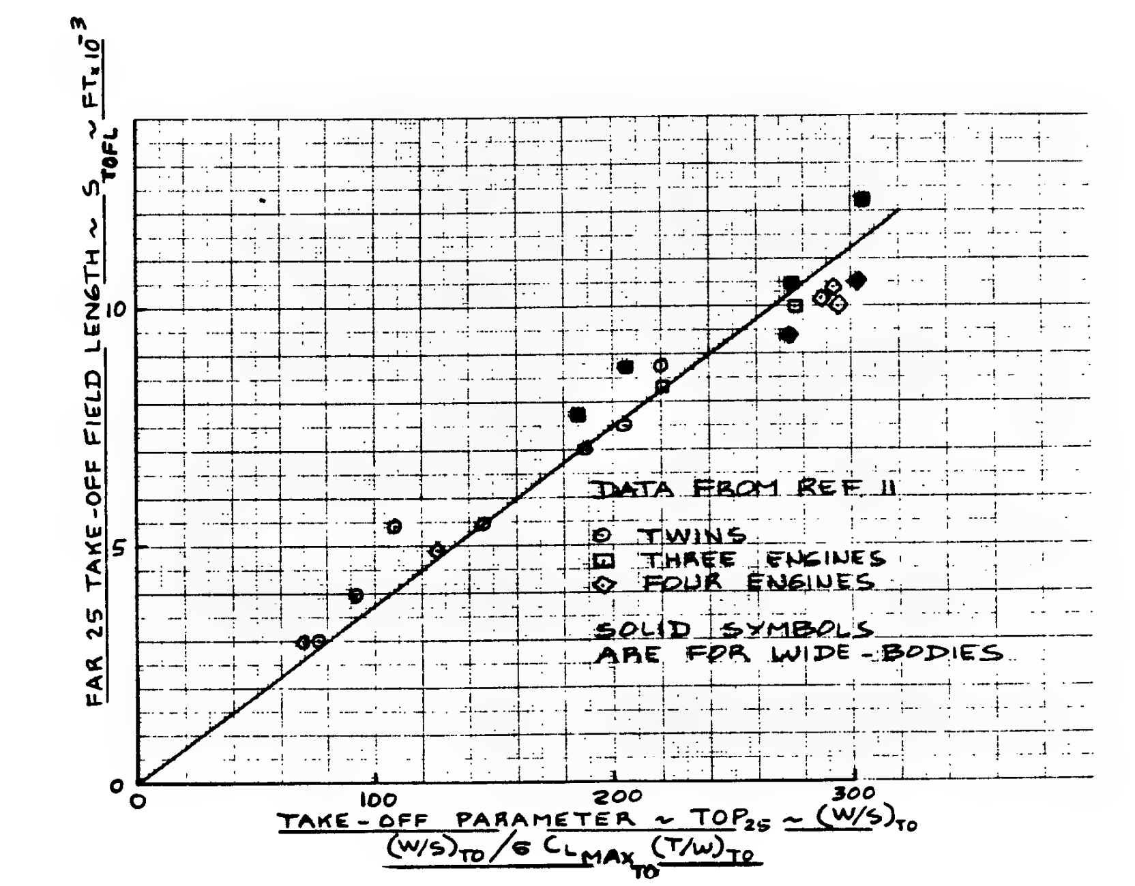
OA-1K Sky Warden | 16000 | 7836 | 401 | 8.7545199501 | 153.590697 | 213 | 1600 | 1500 | 1200

M-346FA | 22928.075267 | 10163.3 | 253.167173 | 4.3715816327 | 151.283 | 970.5818

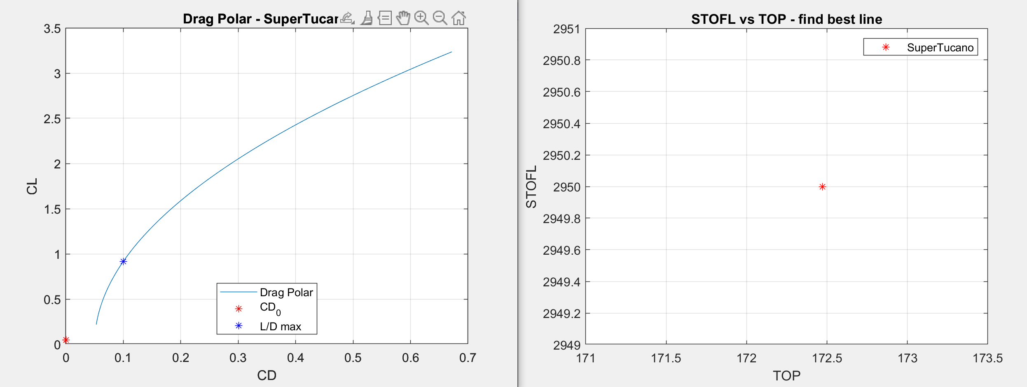

 | TURBOFANS
 | NOT AT MTOW
 | guessed value
 | UNITS ARE IN IMPERIAL
 | The purpose of this page is for now just to structure how data might be pulled from this sheet into a .mat file to be uploaded into MATLAB for analysis. Im still playing around with how I want it to look so mostly ignore this

Plots
Turboprop | 0.595
Turboprop | 0.52
Turboprop | 0.534
Turboprop | 0.54
Turboprop | 0.5
Turboprop | 0.457
Turboprop | 0.5
Turboprop | 0.603

Super Tucano | 36.5
AT-6 Wolverine | 34.1
M-346FA | 33.3
OV-10 Bronco (D model) | 40.0
PC-21 | 29.9
KAI KT-1 | 34.8
IOMAX Archangel | 57.1
Textron Scorpion | 47.8
FMA IA 58 Pucara | 47.6
Helio AU-24 Stallion | 41.0

 | W_TO (lbs)
7055 | 11905
5889 | 10000
10163 | 22928
15364 | 31844
5005 | 9370
4200 | 7308
6600 | 14800
12700 | 22000
8863 | 14991
2860 | 5100
Super Tucano | 6.4
AT-6 Wolverine | 6.5
M-346FA | 4.4
OV-10 Bronco (D model) | 5.5
Pilatus PC-21 | 5.5
KAI KT-1 | 7.0
IOMAX Archangel | 8.1
Textron Scorpion | 7.7
FMA IA 58 Pucara | 6.9
Helio AU- 24 Stallion | 6.9

 | EWF
Super Tucano | 0.59
AT-6 Wolverine | 0.59
M-346FA | 0.44
OV-10 Bronco (D model) | 0.48
PC-21 | 0.53
KAI KT-1 | 0.57
IOMAX Archangel | 0.63
Textron Scorpion | 0.58
FMA IA 58 Pucara | 0.59
Helio AU-24 Stallion | 0.56
AT-802A | 0.00
Aero L-39 C | 0.53
OA-1K Sky Warden | 0.49
Hongdu L-15 | 0.46
Dassault/Dornier Alpha Jet | 0.47
Yakolev Yak-130 | 0.45
Cessna A-37 Dragonfly | 0.00
Boeing T-7 Redhawk | 0.59

Payload Configurations
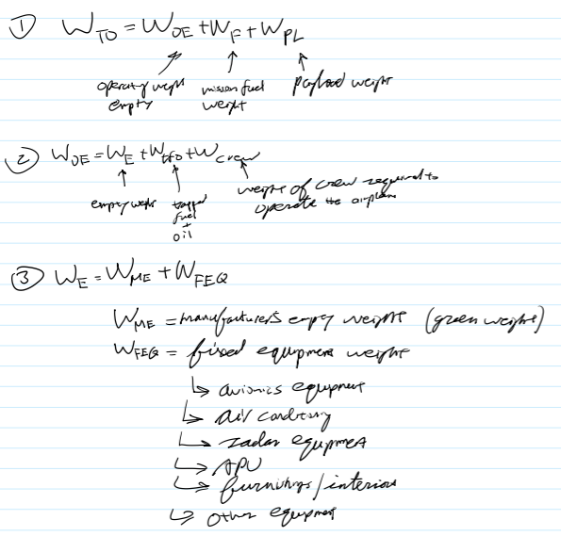
W_FEQ
Avionics | ~200 lbs

